Legal Assistance & ADR
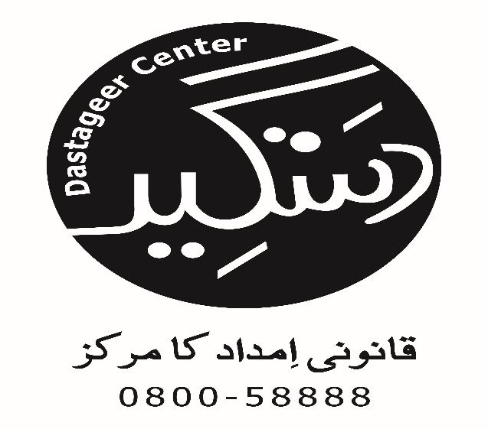
Access to Justice Project
Cases in which Legal Assistance & ADR Provided
Taraqee Foundation
S.No | Name Of Party | Contact Number | Gender (M, F or TG) | Age | CNIC # | Occupation | Marital Status | Address | Tehsil | Name of Guardian | Relation with Guardian | Contact Number | Priority Group (GBV, Minority & Disabled) | if Minority name Group | Psychosocial Support Provided (Yes/No) | Nature Of Problem | Action Taken (Legal Assistance by Sending Letter, FIR, Preparing Legal Documents, ADR (out of court settlement) etc.) | Name of Institution handling case (Court name, Police Station, Gov Institution etc. | Lawyer Name (if involved) | Cell No. | Date of Letter, FIR, Legal Documents, ADR etc. | Case Referred From (Name of LAC, Helpline, CSOs, Justice Institutions, Individuals, etc.) | Stage Proceeding (In progress or Completed) | Decision (if case concluded) | Decision Month | Successful / Unsuccessful
8 | Pooja | 0306-3407764 | Female | 14 | - | Student | Single | Akhtar Colony UC 6 Mehmmod Abad | Mirpur Khas | Sooma | Father | 0306-3407764 | GBV | - | No | Forced Marriage | Client reffer to HRCP and Support Hire Lawyer Free of Cost from HRCP Hyderabad | 1st Civil Judge & Judicial Magistrate Mirpur Khas | - | - | 2015-06-11 | Community Development Foundation | Completed | Case Referred To Human Right Commission of Pakistan for legal aid | - | -

